Ark1
TEST SETTINGS |  |  |  | TEST BENCH

nRF52832QFAAB0 |  |  |  | PPK
Softdevice: s132 2.0.0 |  |  |  | Software PPK
32MHz crystal (HFXO) |  |  |  | NRF52 DK
Sleep clock accuracy master and slave: 20 ppm
DCDC enabled
20ms adv interval
21 bytes
0dbm

blablabla
bilder av måleoppsett
beskrivelse av gjennomføring
skriver til slutt at dette kun er målinger gjort på devkit og ikke ferdig produkty
awdd

d
ada
ada
d
aw

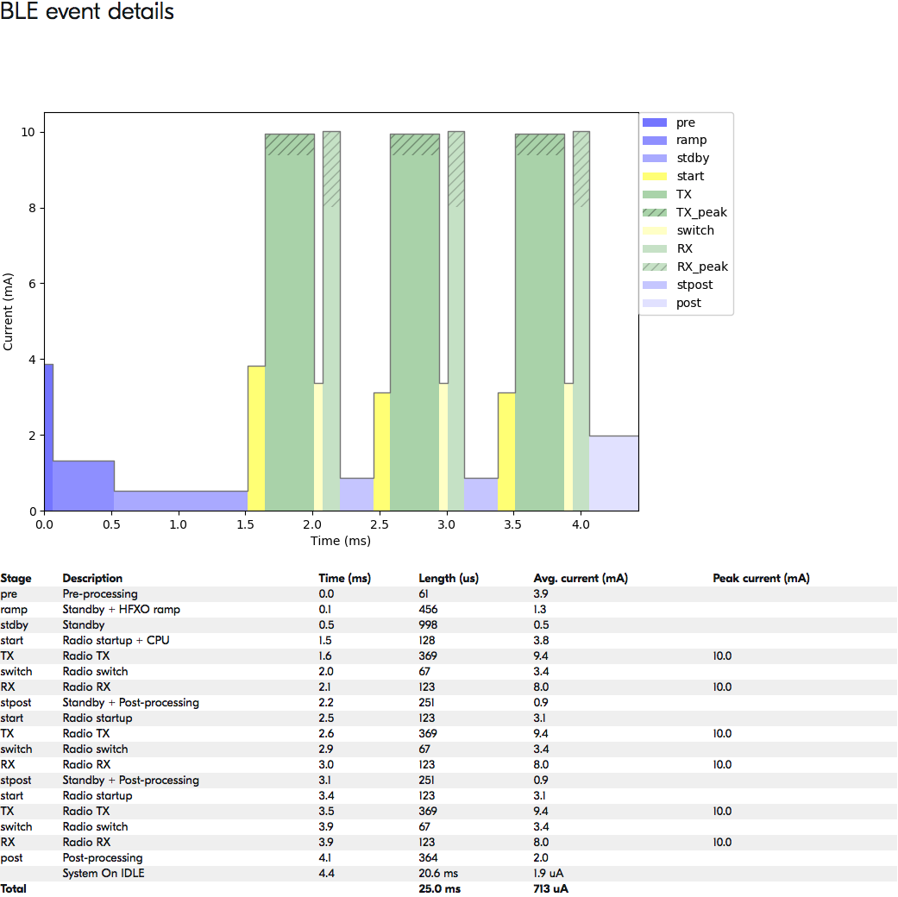
BLE packet | theoretical |  |  | Measurements
Vdd | Average current μA | Time ms | Joule μJ | Average current μA | Time ms | Joule μJ
1.8 | 713 | 25 | 32.1
1.9 | 684 | 25 | 32.5
2 | 661 | 25 | 33.1
2.1 | 640 | 25 | 33.6
2.2 | 621 | 25 | 34.2 | 660.8 | 23.2 | 33.7
2.3 | 603 | 25 | 34.7 | 515.3 | 29.4 | 34.9
2.4 | 586 | 25 | 35.2 | 522.2 | 29.1 | 36.5
2.5 | 570 | 25 | 35.6 | 716.9 | 21.3 | 38.2
2.6 | 555 | 25 | 36.1 | 625.1 | 24.3 | 39.5
2.7 | 542 | 25 | 36.6 | 655.7 | 23.1 | 41.0
2.8 | 530 | 25 | 37.1 | 691.9 | 22.0 | 42.5
2.9 | 519 | 25 | 37.6 | 704.4 | 21.4 | 43.8
3 | 508 | 25 | 38.1 | 509.7 | 29.9 | 45.7
3.1 | 497 | 25 | 38.5 | 562.7 | 27.1 | 47.2
3.2 | 485 | 25 | 38.8 | 581.6 | 26.4 | 49.1
3.3 | 478 | 25 | 39.4 | 634.3 | 24.3 | 50.9

Not much deviation in the theoretical measurements and the actual. Considering this it is safe to rely on the theoretical
measurements |  |  |  |  |  |  |  | Generated values from the online power profiler, the figure shows power consumption at Vopt

Startup | Before first BLE evnt |  |  | Turbulence after first BLE event
Vdd | Average current μA | Time ms | Joule μJ | Average current μA | Time ms | Joule μJ | TOTAL Joule μJ
2.2 | 11.3 | 487.5 | 12.1 | 517.7 | 13.3 | 15.1 | 27.2
2.3 | 18.2 | 394.5 | 16.6 | 560.1 | 13.0 | 16.8 | 33.3
2.4 | 25.9 | 354.1 | 22.0 | 363.0 | 12.5 | 10.9 | 32.9
2.5 | 18.4 | 494.4 | 22.8 | 387.9 | 13.1 | 12.8 | 35.5
2.6 | 28.7 | 373.8 | 27.9 | 303.1 | 12.0 | 9.4 | 37.3
2.7 | 23.6 | 447.5 | 28.5 | 201.4 | 12.1 | 6.6 | 35.0
2.8 | 34.5 | 310.0 | 29.9 | 118.6 | 13.0 | 4.3 | 34.3
2.9 | 32.0 | 327.4 | 30.4 | 84.0 | 12.3 | 3.0 | 33.4
3 | 25.9 | 480.2 | 37.3 | 55.1 | 12.0 | 2.0 | 39.3
3.1 | 27.1 | 484.4 | 40.8 | 66.8 | 11.7 | 2.4 | 43.2
3.2 | 30.2 | 469.9 | 45.4 | 41.6 | 12.2 | 1.6 | 47.0
3.3 | 43.2 | 463.9 | 66.1 | 34.7 | 11.8 | 1.4 | 67.4

The startup energy cost is based on time before first BLE event and the turbulence after the event

Startup L.O to first BLE event

turbulence after first BLE event

- Considering the measurements it is safe to assume that Vopt is 1,8V.
- The actual measurements is missing values under 2,2 V, that is because with the test gear provided we were unable to measure correctly under certain values.
- It is possible that the power profiling kit used in these measurements showed corrupt startup measurements at values lower or higher that DK voltage therefor the startup cost in the total
OUTPUT ENERGY calculation is based on values at DK voltage, 3 v. Overestimation is another reason to use the higher energy value at 3V

OUTPUT ENERGY
Vopt | 1.8
Average current | 713
time in ms | 25
Energy in μJ | 32.1
Startup at 3 v in μJ | 39.9

Total energy consumption startup + single BLE packet in μJ
72

Total energy consuption startup + 2 BLE packets in μJ
104.1

